EXAMPLE ONLY - Deposit Notice
Kolter Elementary PTO
Deposit Notice Form |  | SAMPLE ENVELOPE - PLACE CHECKS AND CASH IN THE SAFE
INSTRUCTIONS: |  | NO NEED TO PRINT FORM - JUST EMAIL IT TO ASSISTANT TREASURER
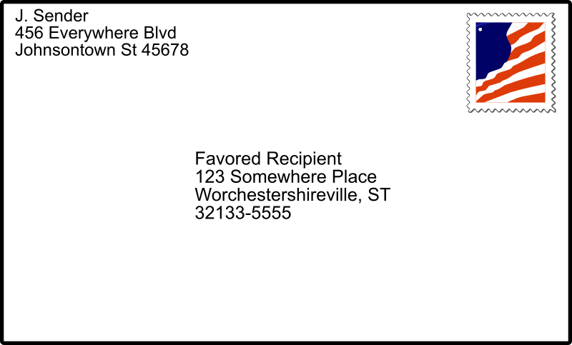

Testing 1.2.3
10/1/2018
Email the completed Deposit Notice Form to assistant.treasurer@kolterpto.com. Place all cash and checks in an envelope in the PTO safe at the school. Label the envelope with the Preparer Name and Date entered below, there is no need to print this form as long as it has been emailed.

Date: | 2018-10-01
Preparer's Name: | Testing 1.2.3
Email Address: | test@kolterpto.com

Source of Funds (e.g. I Heart Kolter, Book Fair) | this is a test

Amount
Currency (Bills) | $200.00
Coins | $0.00 | * If you have a large amount of coins, please roll coins before placing in the safe
Checks | $500.00 | ** Enter check details on Check Detail tab, the check total and count will auto populate these fields | Check Count | 5
TOTAL | $700.00

For Treasure/Assistant Treasurer Use Only
Amount Verified By: | Bethany Wolf
Amount Verified Date: | 2018-10-01
Bank Deposit Date: | 2018-10-01
Quickbooks Posting Date: | 2018-10-01
Quickbooks Account: | 1234567

